Figures 1 to 45
Figures- Plots of electricity and gas bills and consumption for different Tariff types

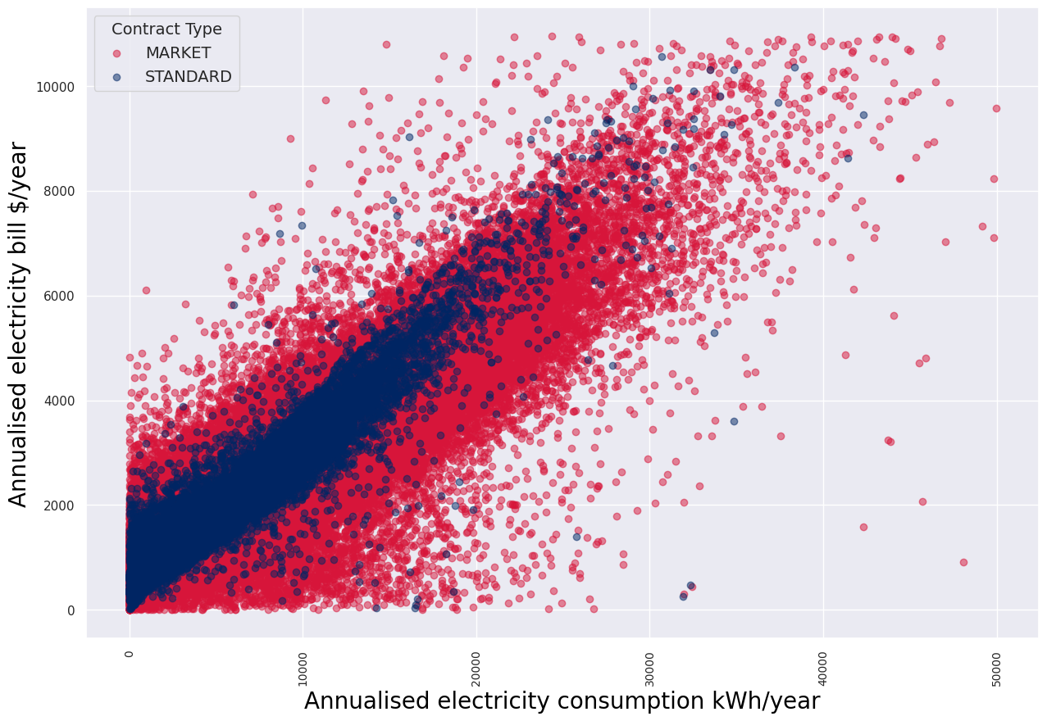
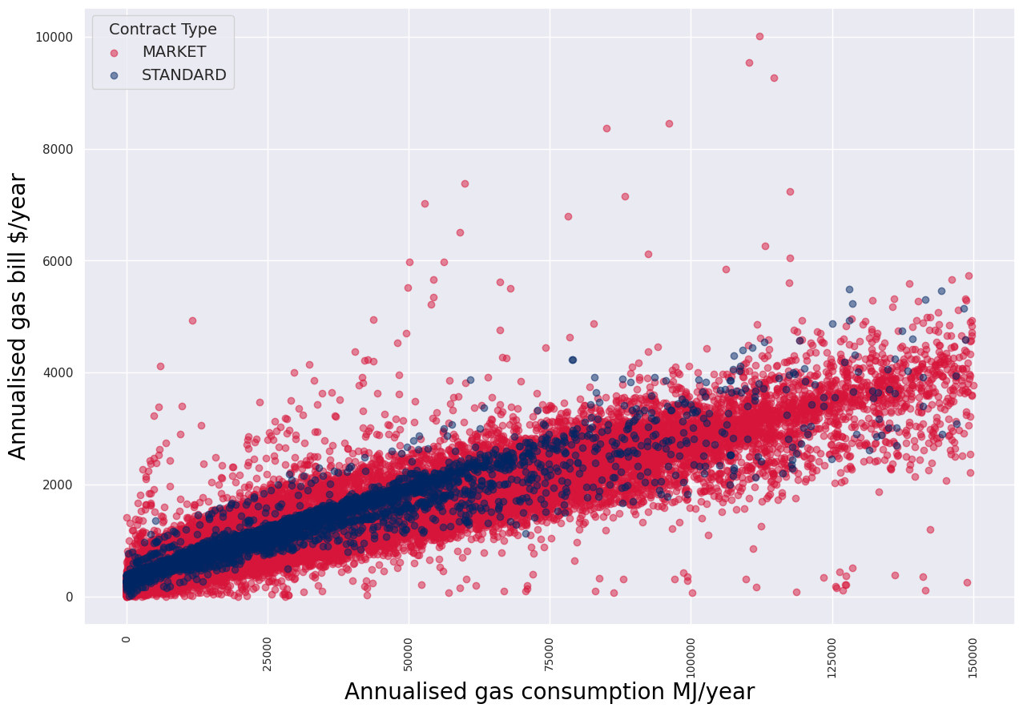

 | Figure 1 Scatter plot showing annual electricity bill and consumption for each electricity customer in the retailer reporting information |  |  |  |  | Figure 2 Scatter plot showing annual gas bills and consumption for each gas customer in the retailer reporting information

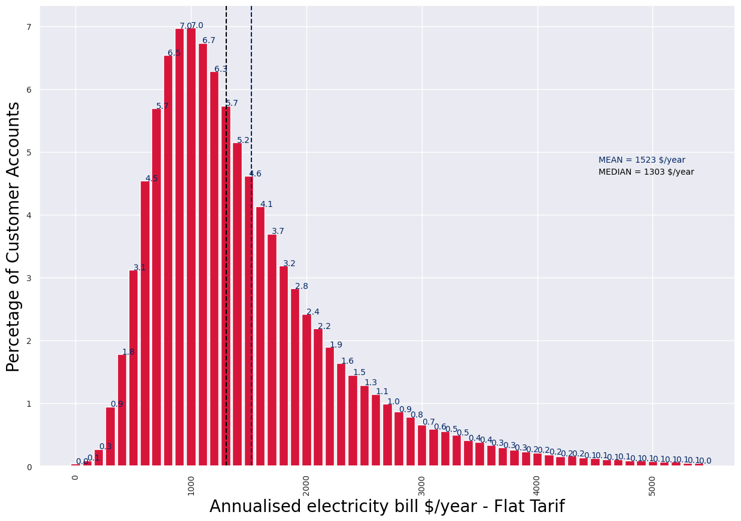
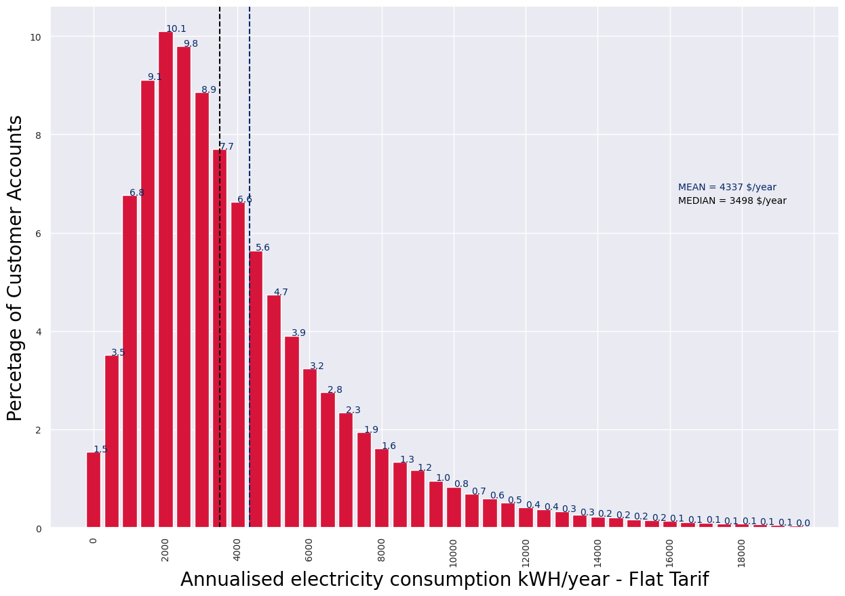

 | Figure 3 Histogram plot showing annual electricity bill for electricity customers in the retailer reporting information - Flat tariff |  |  |  |  | Figure 4 Histogram plot showing annual electricity consumption for electricity customers in the retailer reporting information - Flat tariff

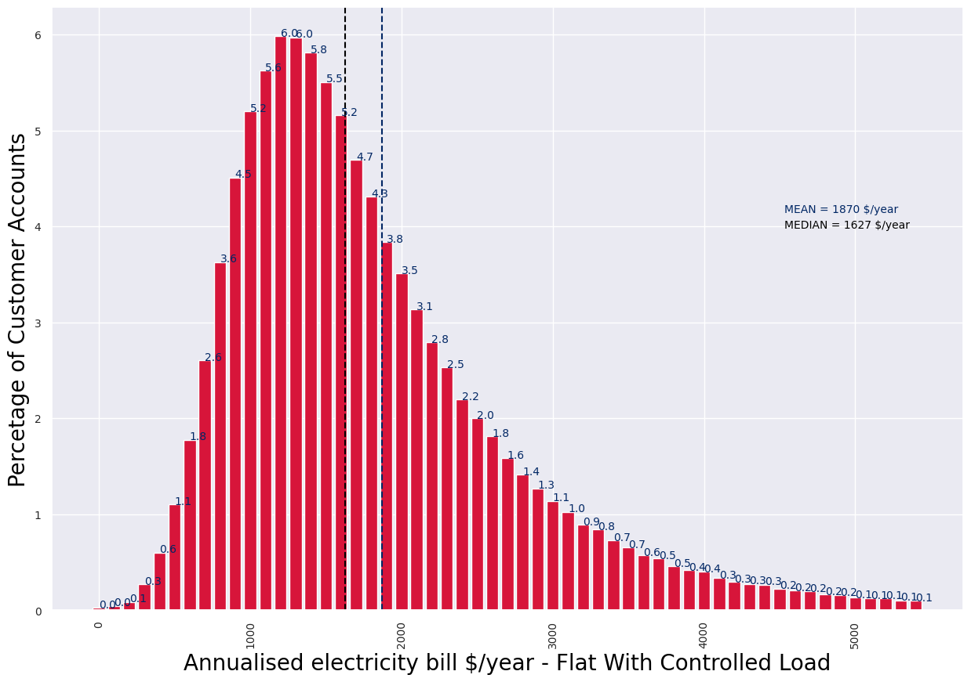
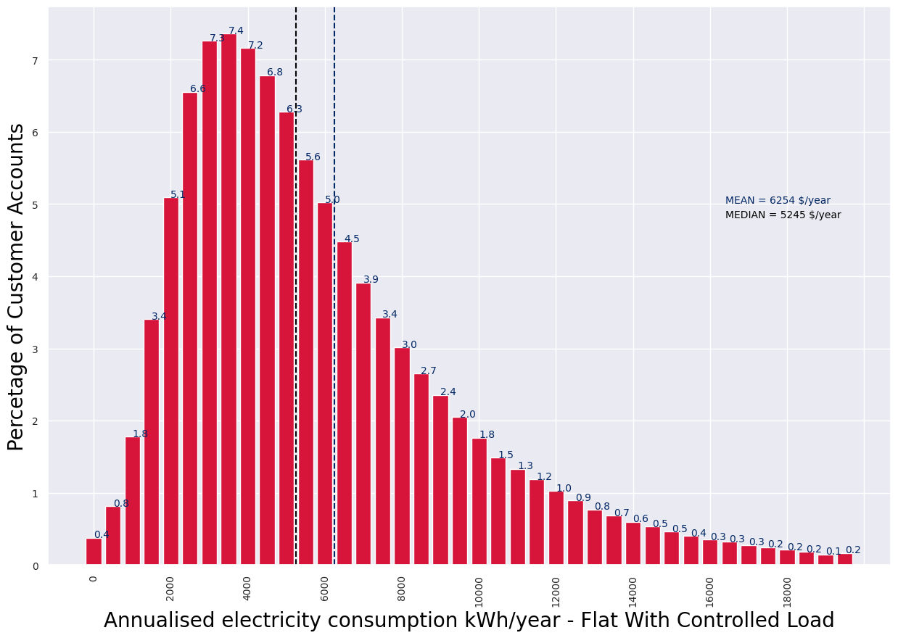

 | Figure 5 Histogram plot showing annual electricity bill for electricity customers in the retailer reporting information - Flat Tariff with Controlled Load |  |  |  |  | Figure 6 Histogram plot showing annual electricity consumption for electricity customers in the retailer reporting information - Flat Tariff with Controlled Load

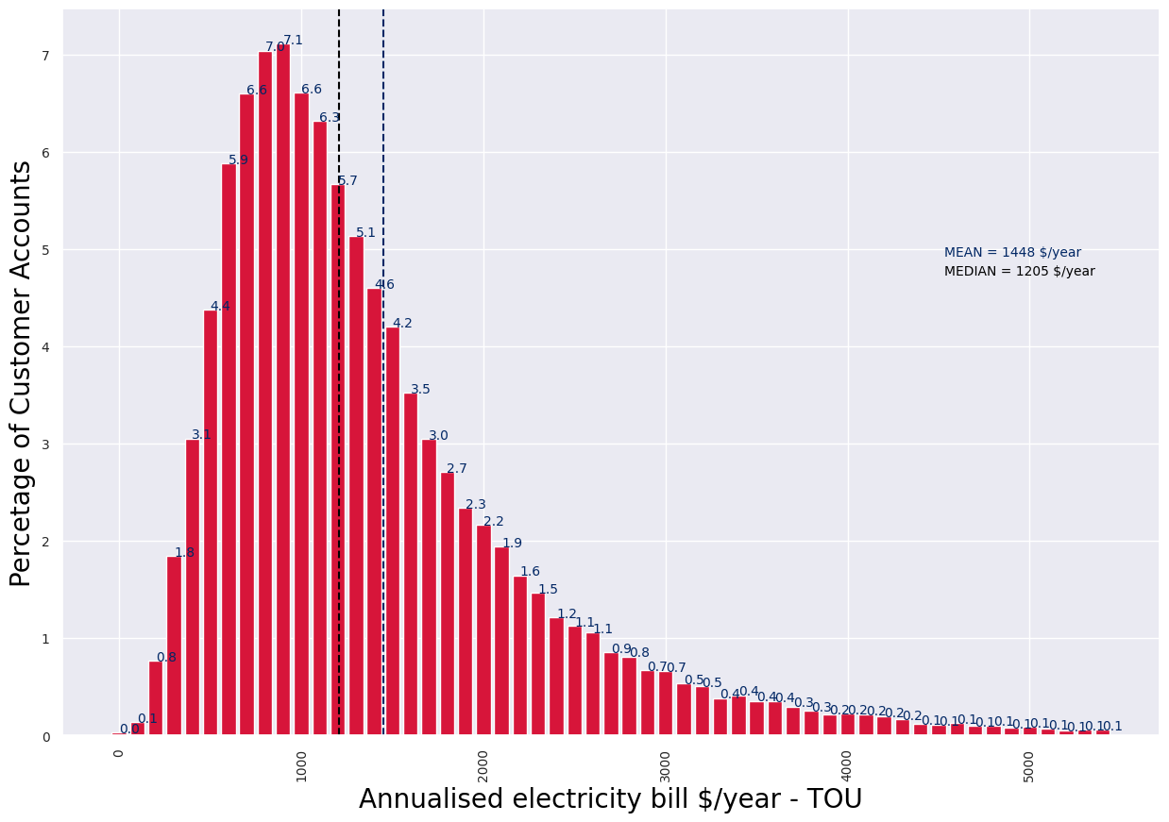
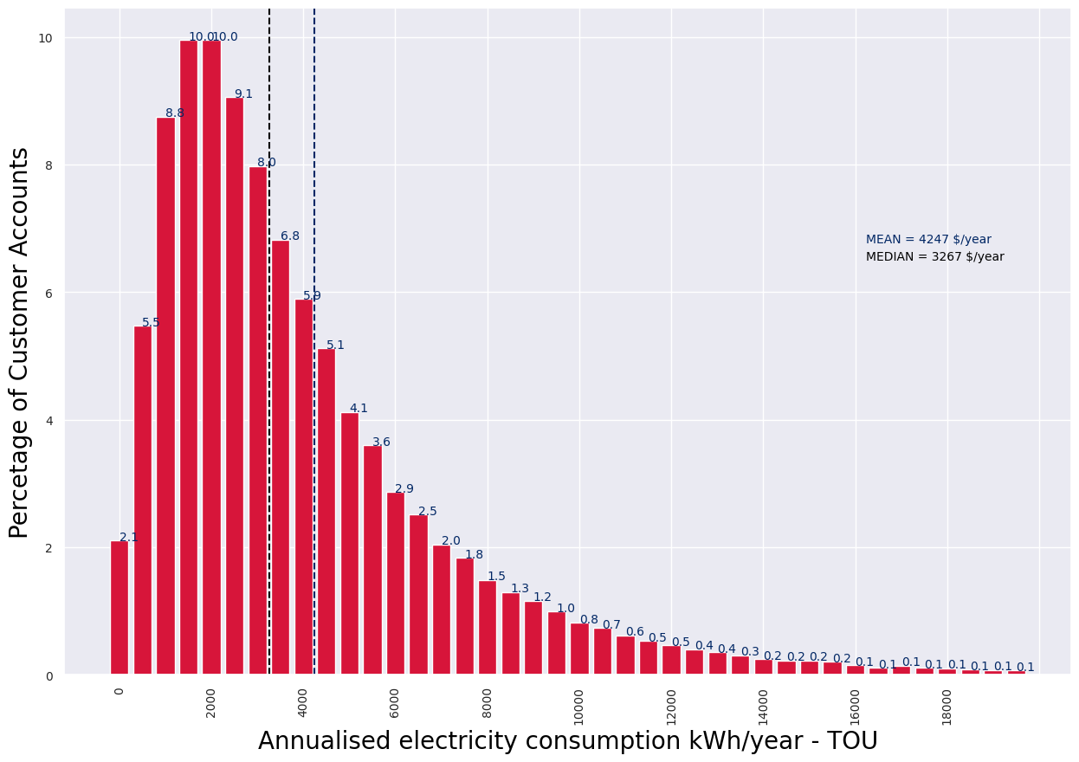

 | Figure 7 Histogram plot showing annual electricity bill for electricity customers in the retailer reporting information - Time-of-use Tariff |  |  |  |  | Figure 8 Histogram plot showing annual electricity consumption for electricity customers in the retailer reporting information - Time-of-use Tariff

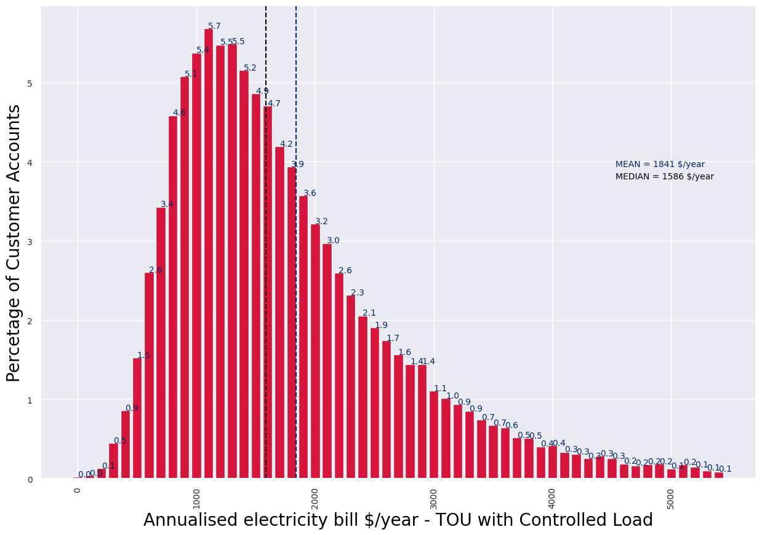
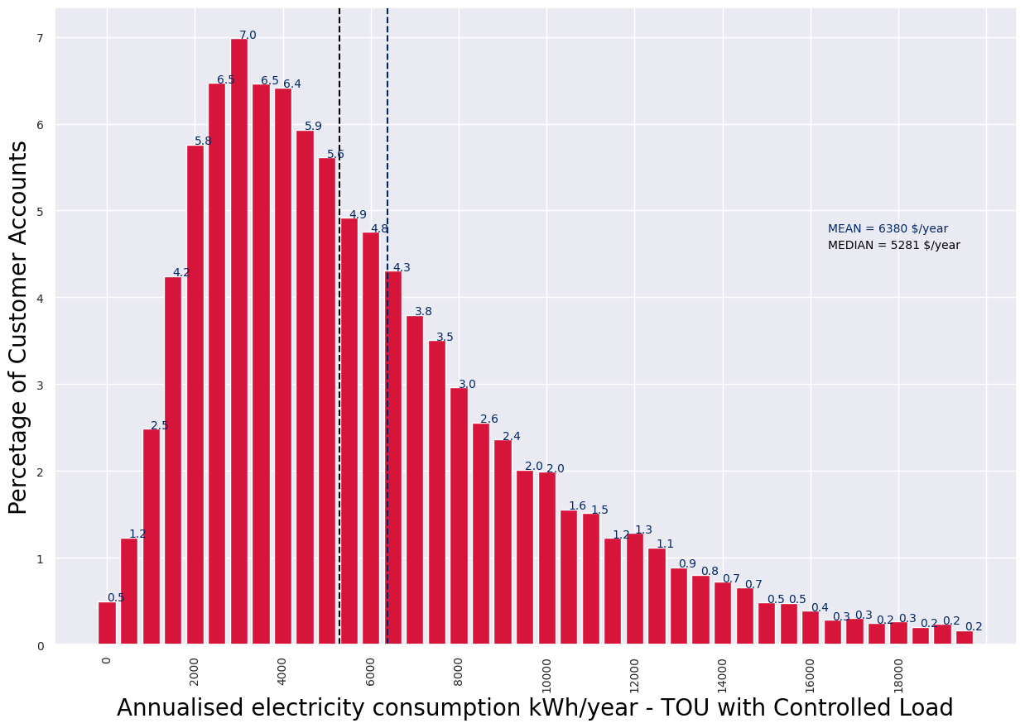

 | Figure 9 Histogram plot showing annual electricity bill for electricity customers in the retailer reporting information - Time-of-use with Controlled Load |  |  |  |  | Figure 10 Histogram plot showing annual electricity consumption for electricity customers in the retailer reporting information - Time-of-use with Controlled Load

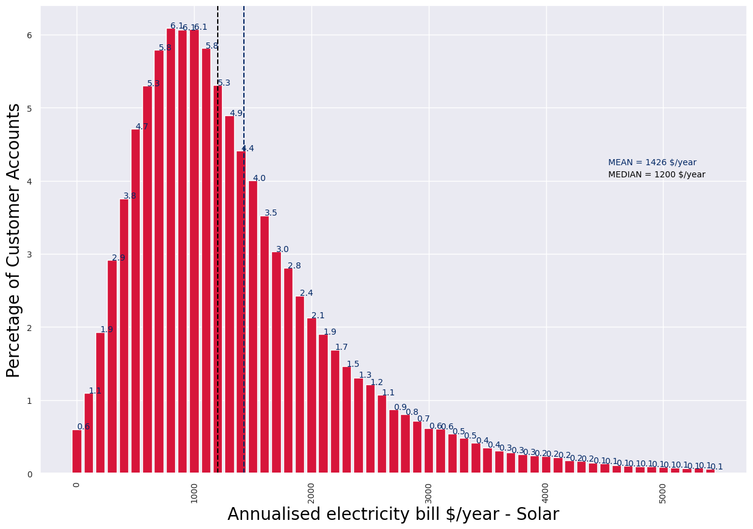

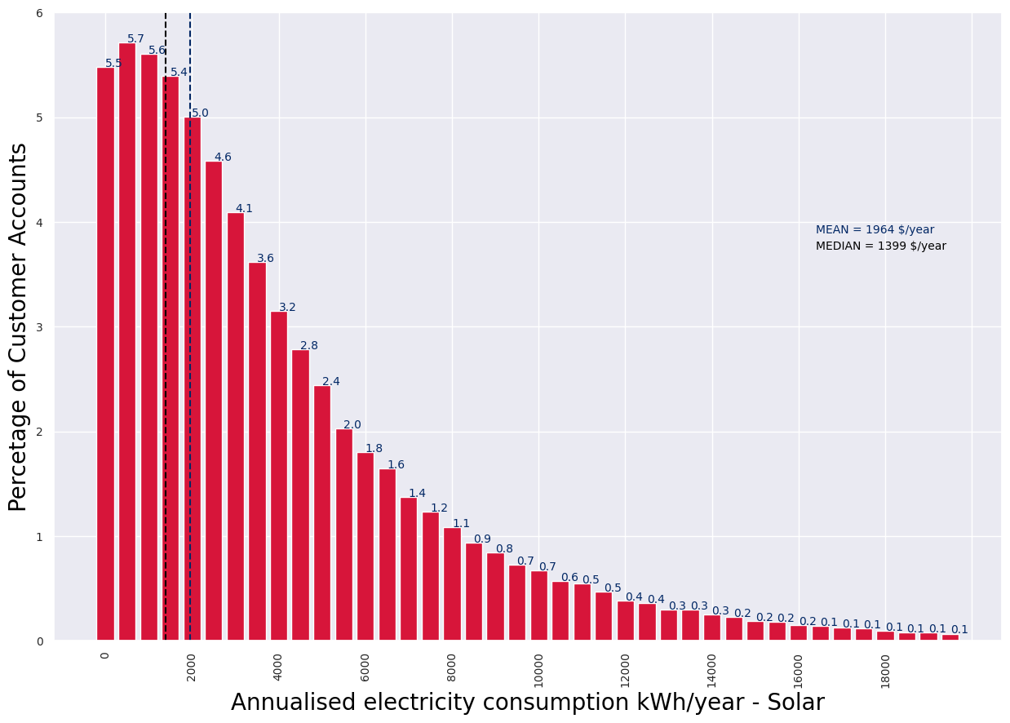

 | Figure 11 Histogram plot showing annual electricity bill for electricity customers in the retailer reporting information - Solar |  |  |  |  | Figure 12 Histogram plot showing annual electricity consumption for electricity customers in the retailer reporting information - Solar

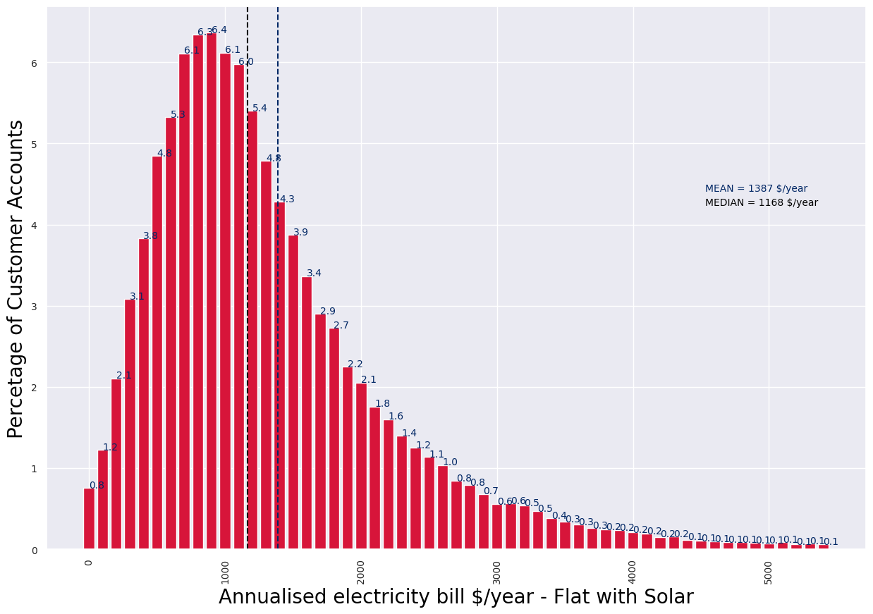
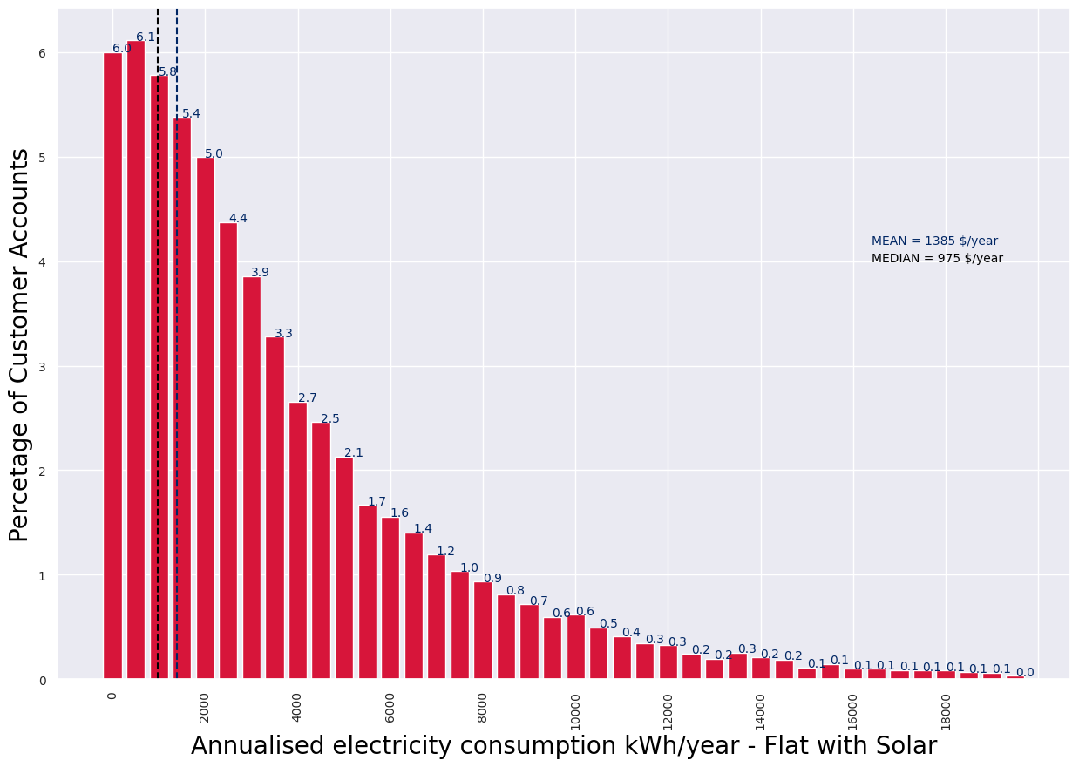

 | Figure 13 Histogram plot showing annual electricity bill for electricity customers in the retailer reporting information - Flat Tariff with Solar |  |  |  |  | Figure 14 Histogram plot showing annual electricity consumption for electricity customers in the retailer reporting information - Flat Tariff with Solar

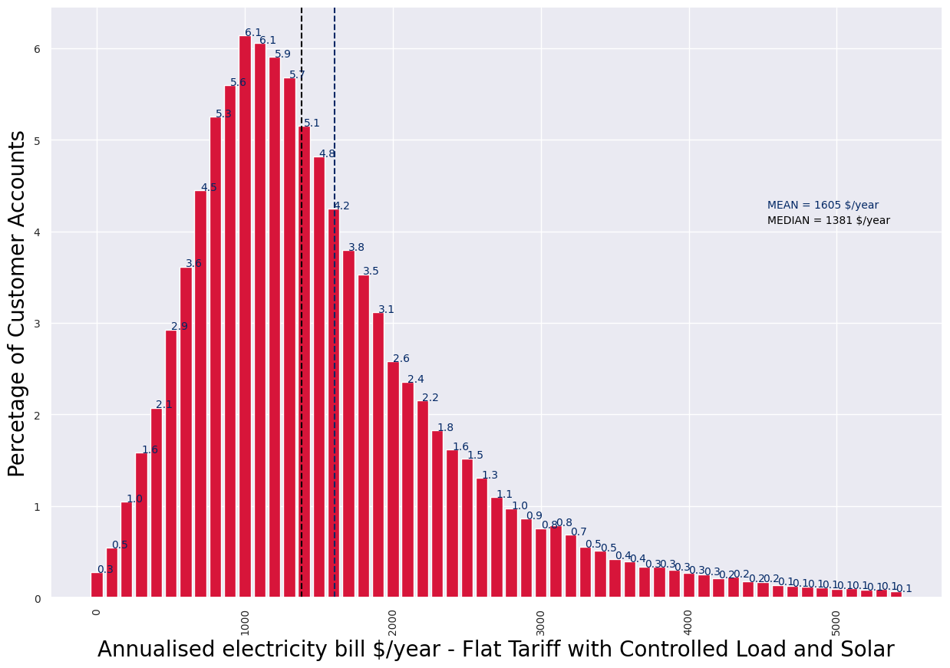
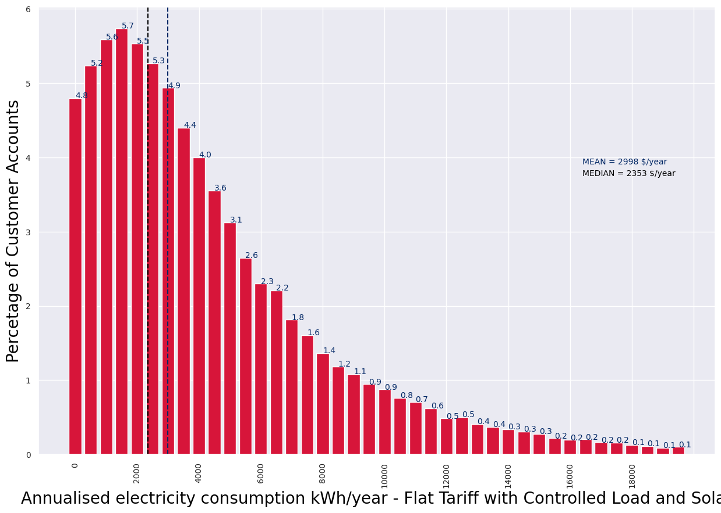

 | Figure 15 Histogram plot showing annual electricity bill for electricity customers in the retailer reporting information - Flat Tariff with Controlled Load and Solar |  |  |  |  | Figure 16 Histogram plot showing annual electricity consumption for electricity customers in the retailer reporting information - Flat Tariff with Controlled Load and Solar

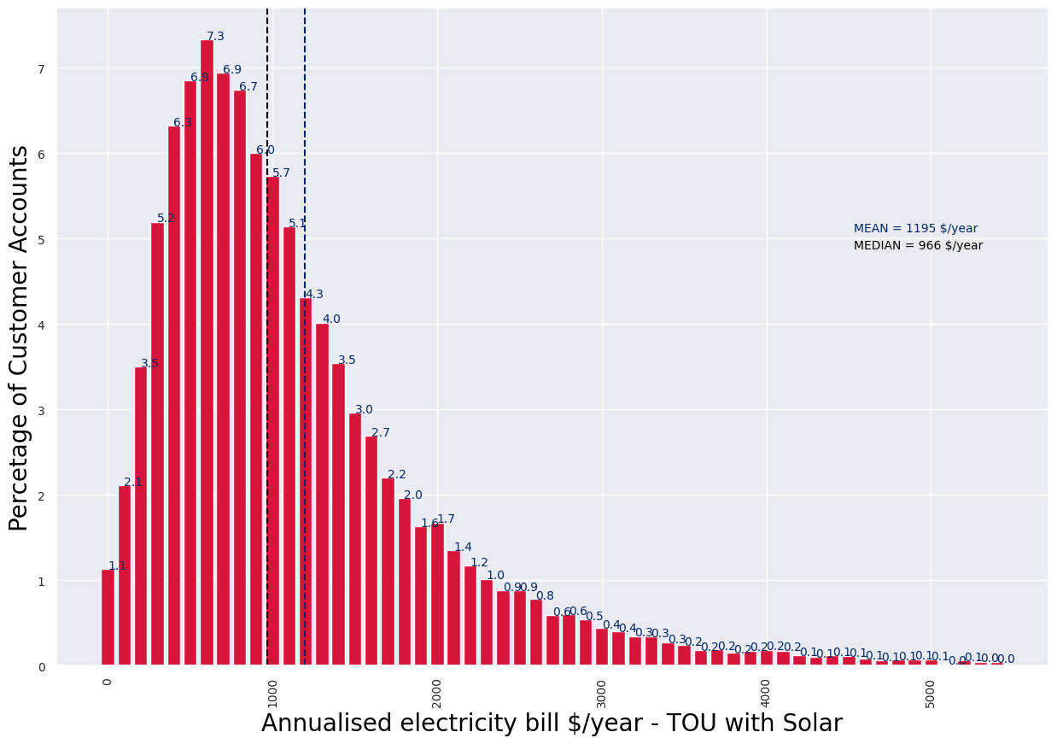
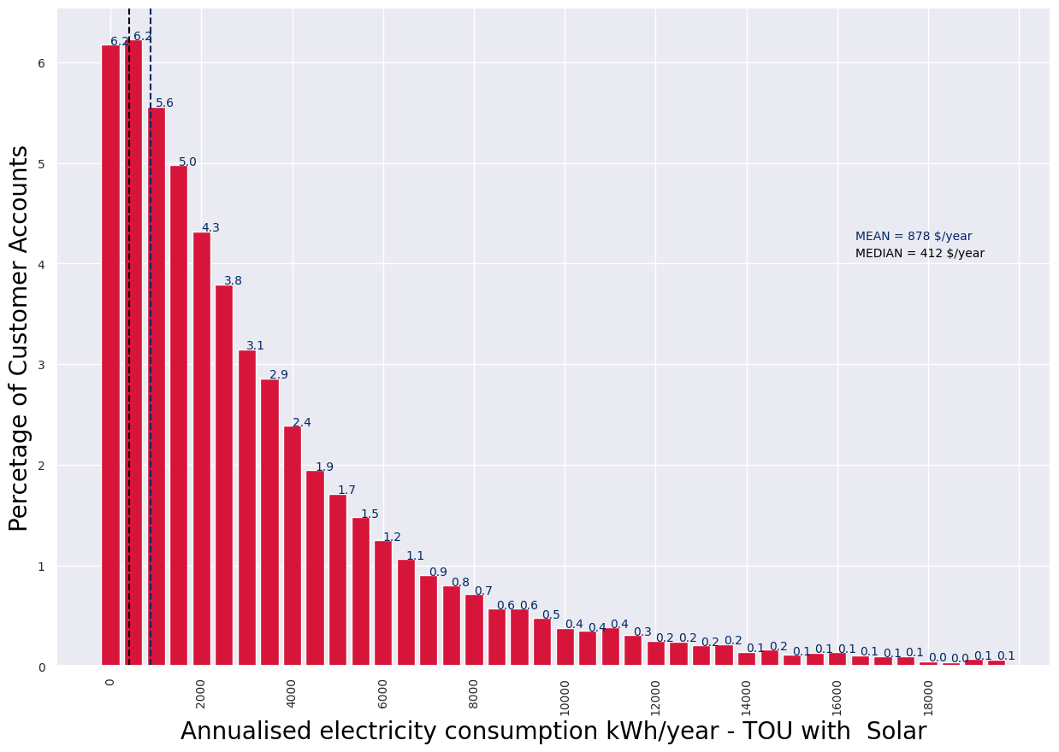

 | Figure 17 Histogram plot showing annual electricity bill for electricity customers in the retailer reporting information - Time-of-use with Solar |  |  |  |  | Figure 18 Histogram plot showing annual electricity consumption for electricity customers in the retailer reporting information - Time-of-use with Solar

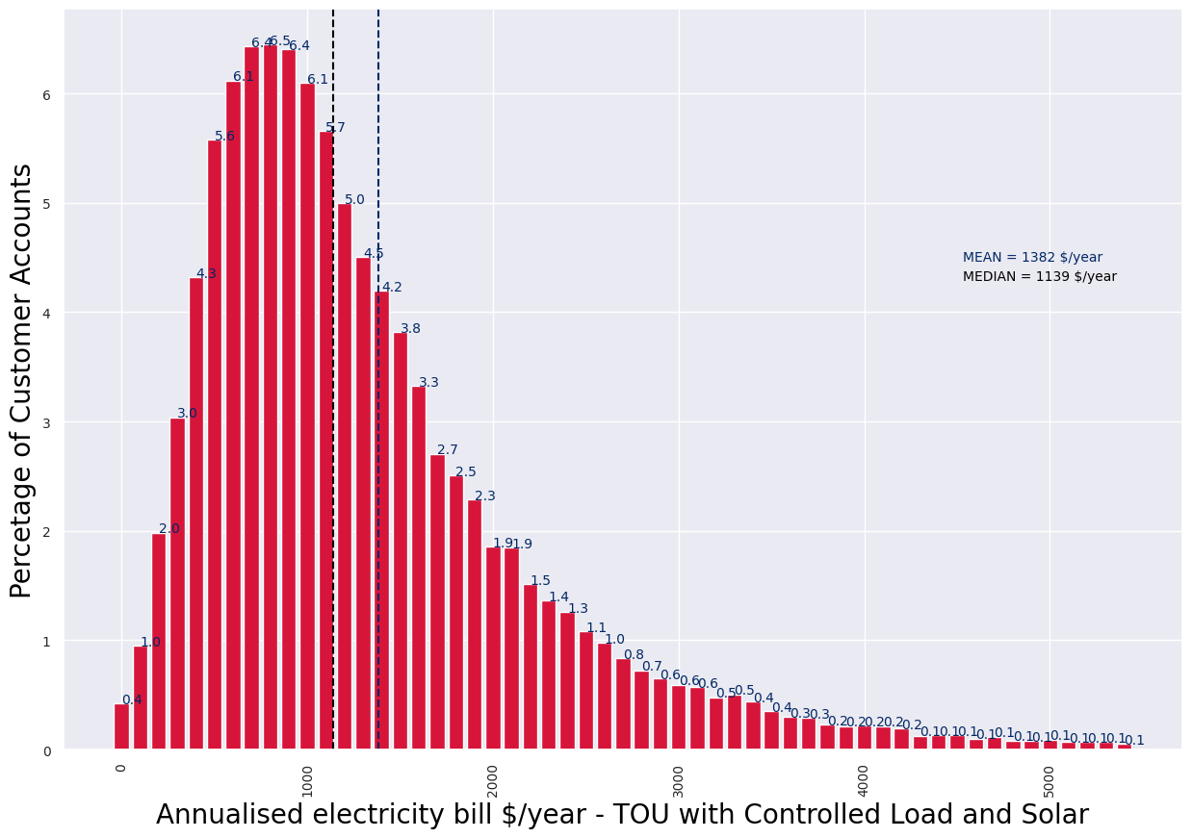
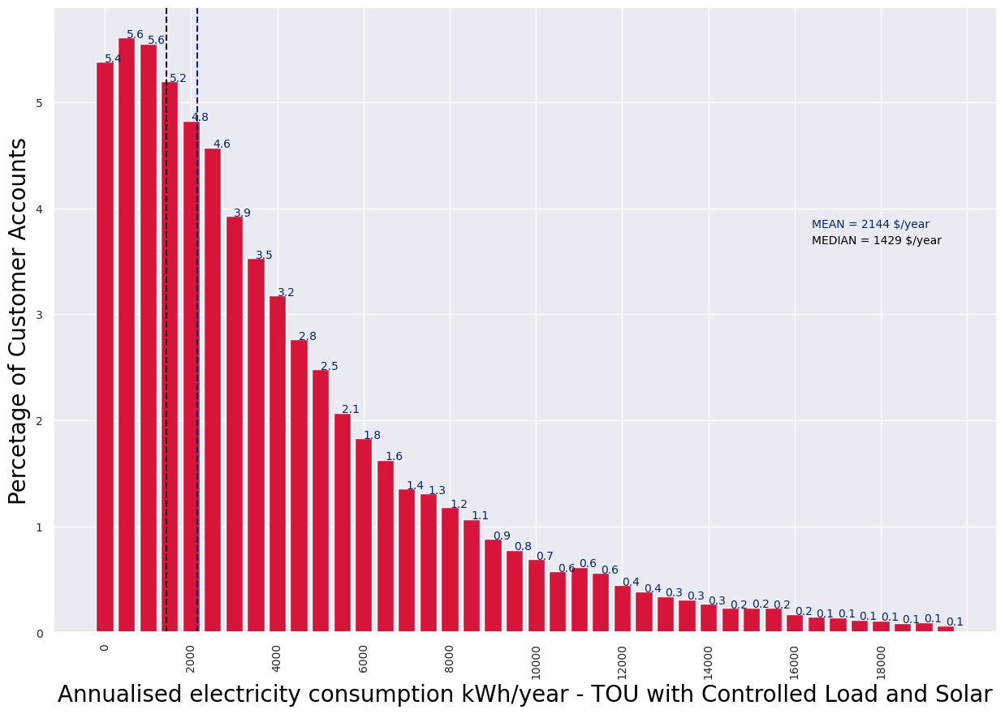

 | Figure 19 Histogram plot showing annual electricity bill for electricity customers in the retailer reporting information - Time-of-use with Controlled Load and Solar |  |  |  |  | Figure 20 Histogram plot showing annual electricity consumption for electricity customers in the retailer reporting information - Time-of-use with Controlled Load and Solar

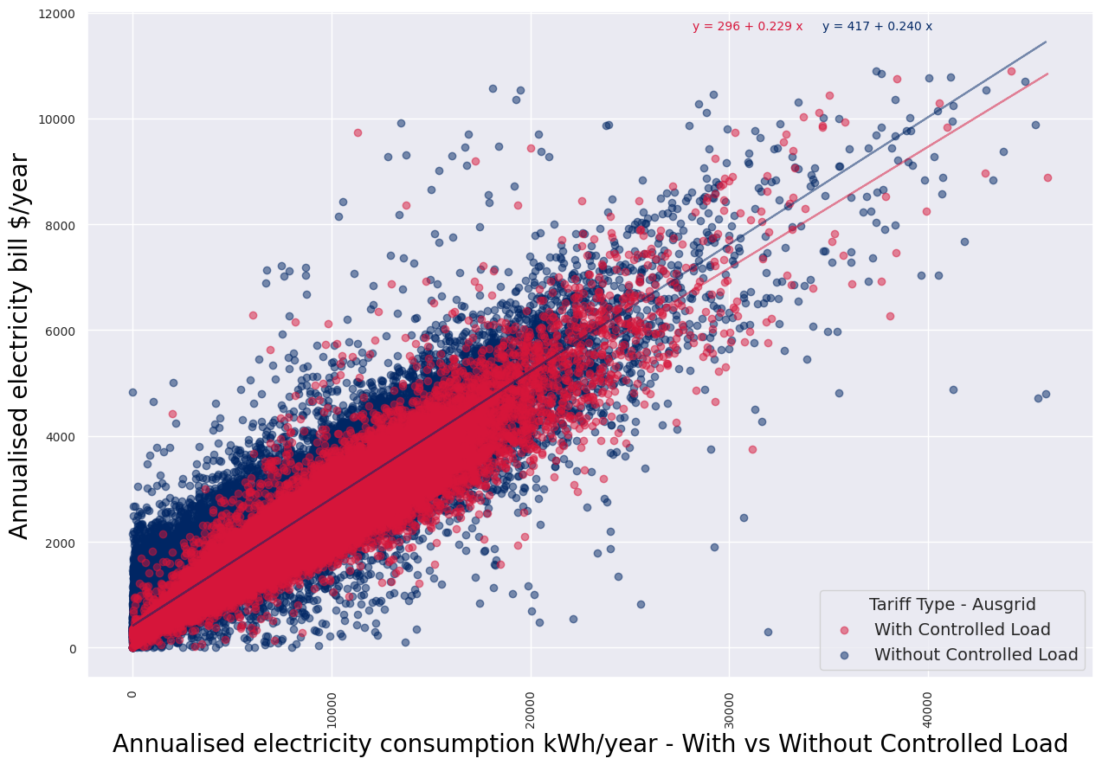
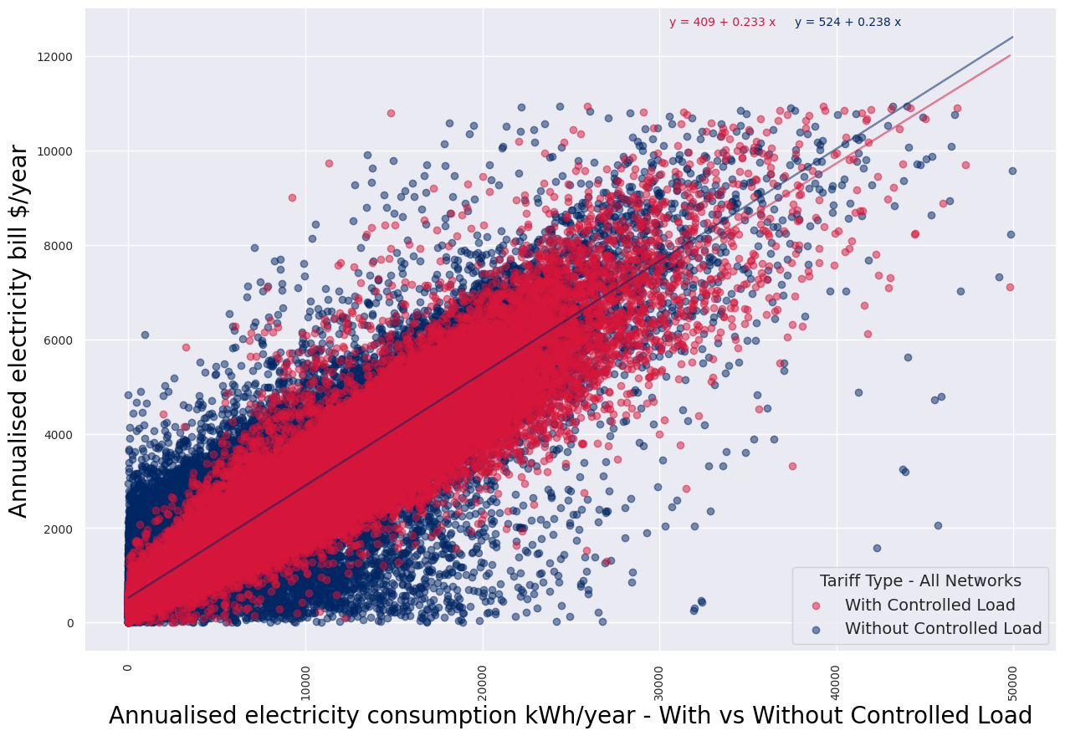

 | Figure 21 Scatter plot showing annual electricity bill and consumption for each electricity customer in the retailer reporting information - With and without Controlled Load for All Networks |  |  |  |  | Figure 22 Scatter plot showing annual electricity bill and consumption for each electricity customer in the retailer reporting information - With and without Controlled Load for Ausgrid

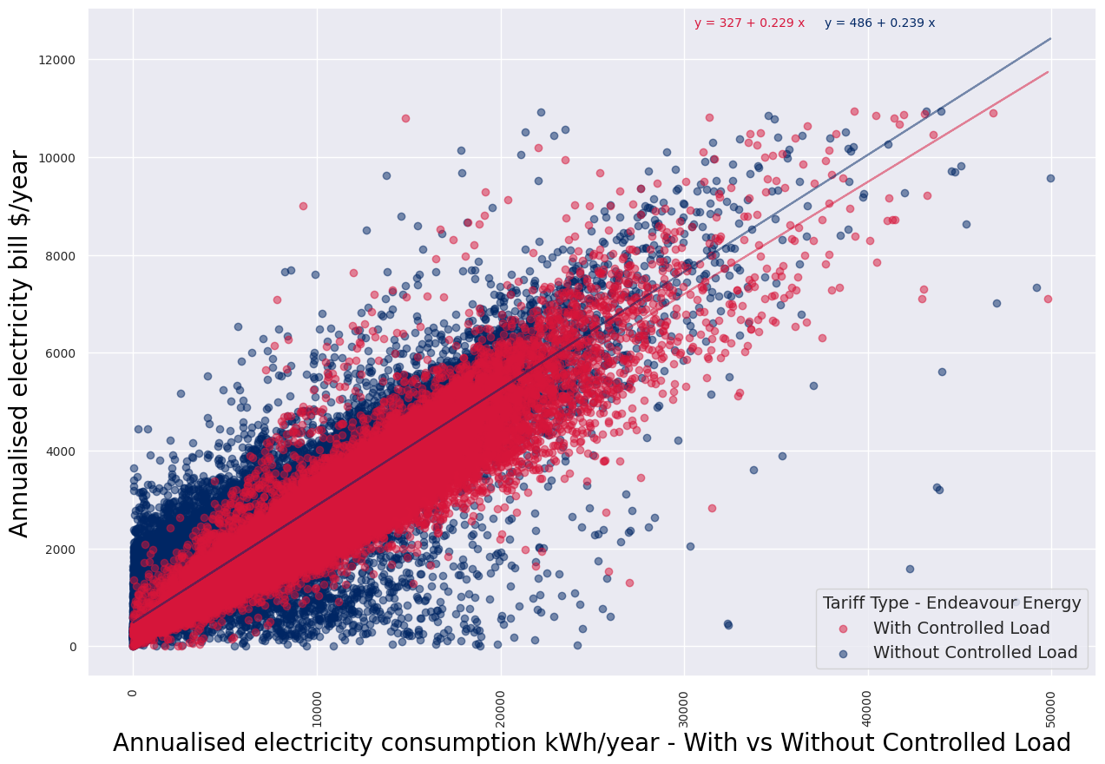
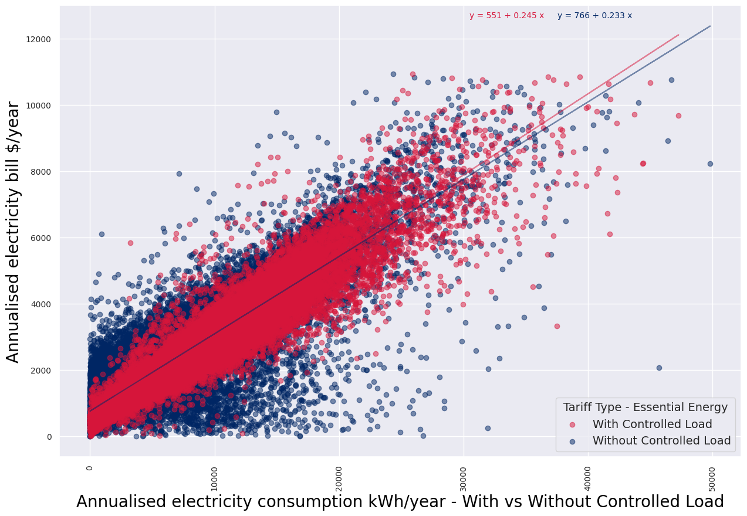

 | Figure 23 Scatter plot showing annual electricity bill and consumption for each electricity customer in the retailer reporting information - With and without Controlled Load for Endeavour Energy |  |  |  |  | Figure 24 Scatter plot showing annual electricity bill and consumption for each electricity customer in the retailer reporting information - With and without Controlled Load for Essential Energy

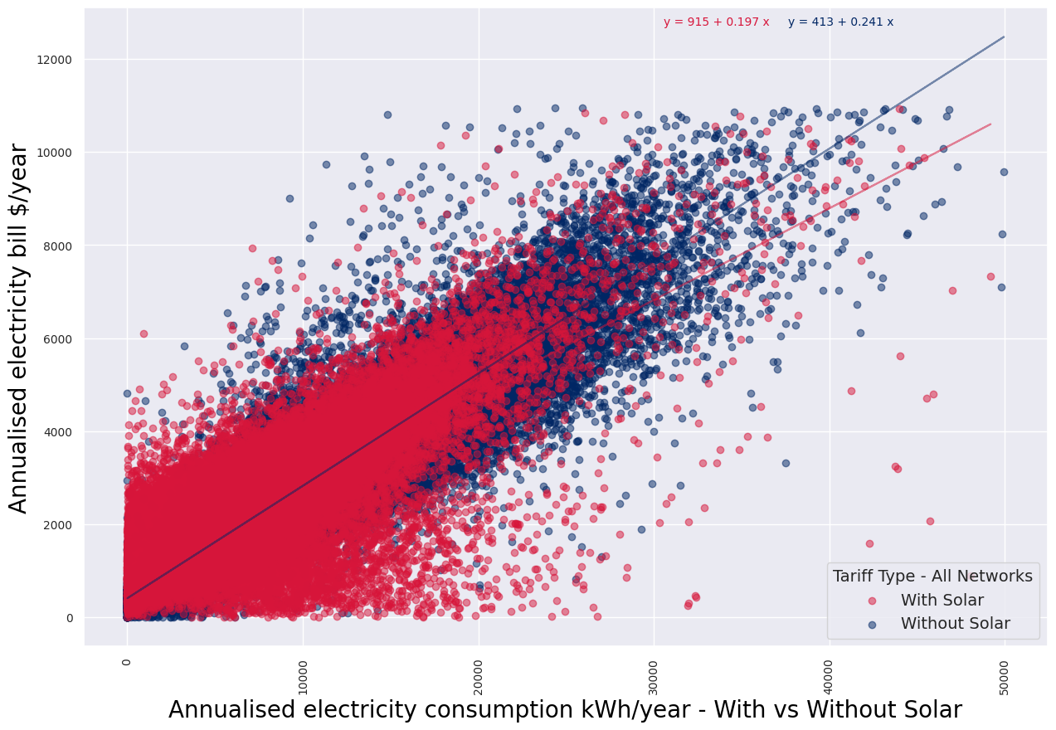
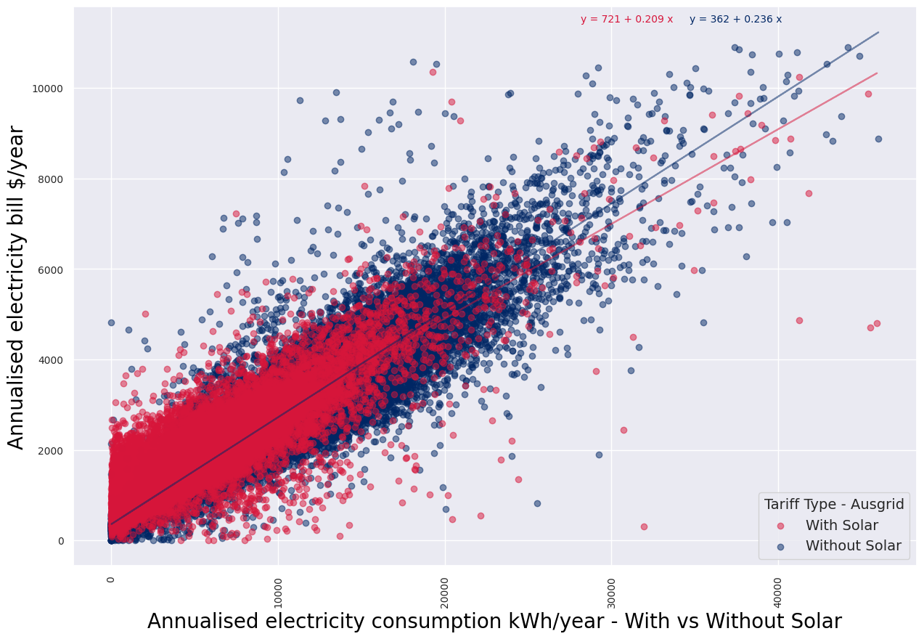

 | Figure 25 Scatter plot showing annual electricity bill and consumption for each electricity customer in the retailer reporting information - With and without Solar for All Networks |  |  |  |  | Figure 26 Scatter plot showing annual electricity bill and consumption for each electricity customer in the retailer reporting information - With and without Solar for Ausgrid

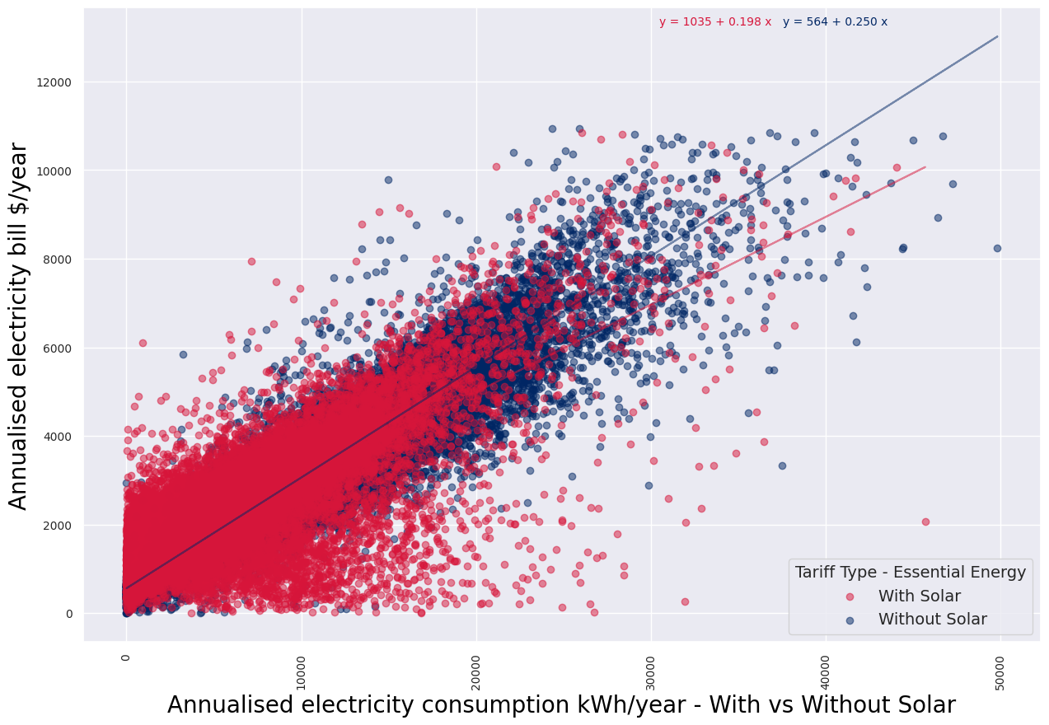


 | Figure 27 Scatter plot showing annual electricity bill and consumption for each electricity customer in the retailer reporting information - With and without Solar for Endeavour Energy |  |  |  |  | Figure 28 Scatter plot showing annual electricity bill and consumption for each electricity customer in the retailer reporting information - With and without Solar for Essential Energy

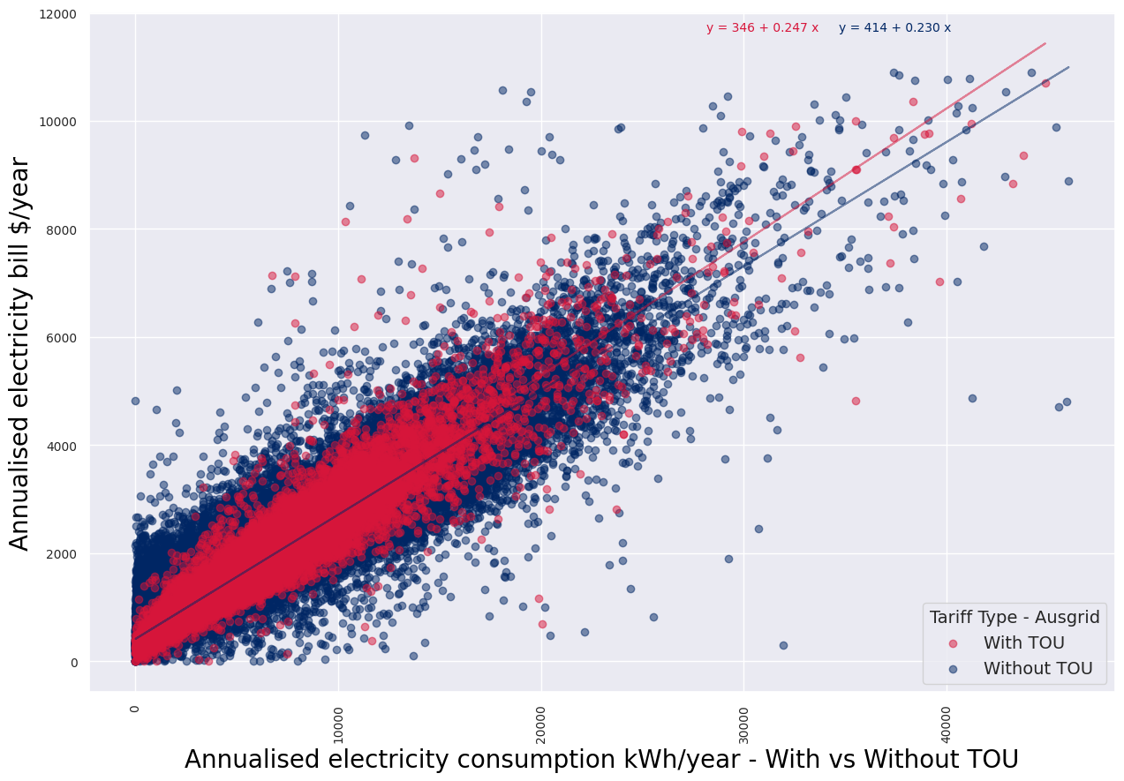

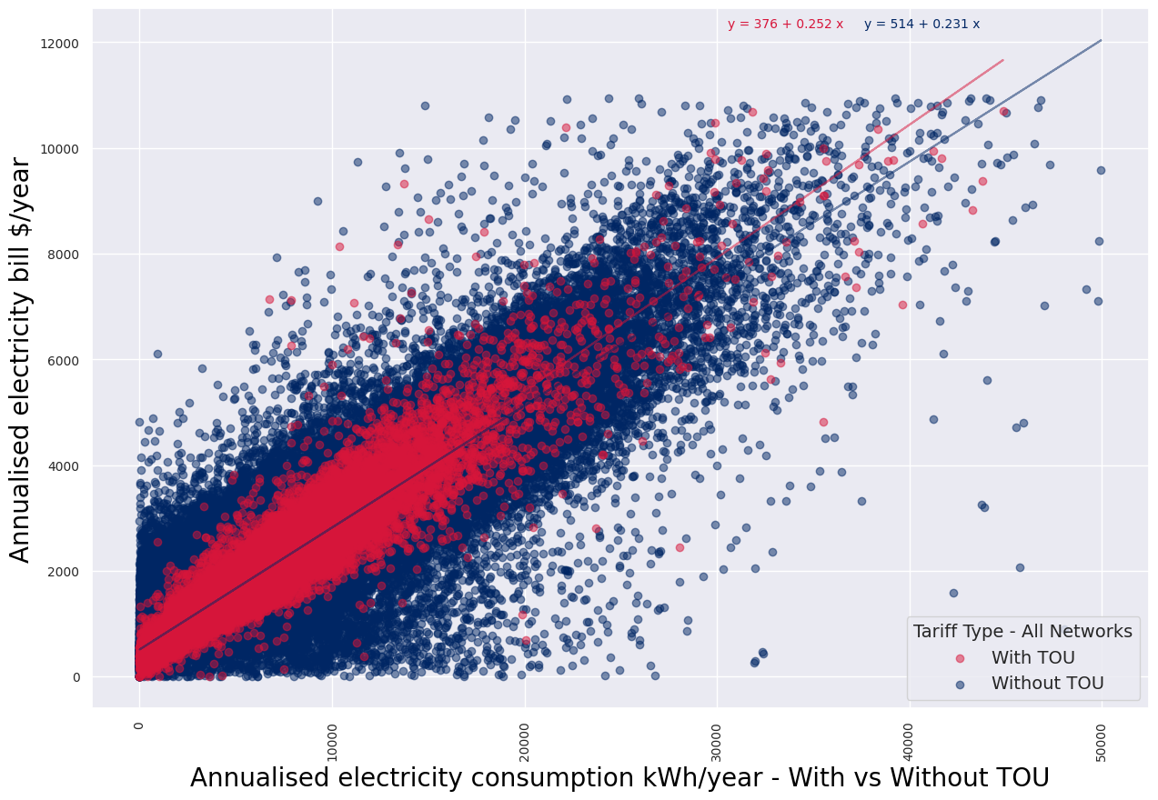

 | Figure 29 Scatter plot showing annual electricity bill and consumption for each electricity customer in the retailer reporting information - With and without TOU for All Networks |  |  |  |  | Figure 30 Scatter plot showing annual electricity bill and consumption for each electricity customer in the retailer reporting information - With and without TOU for Ausgrid

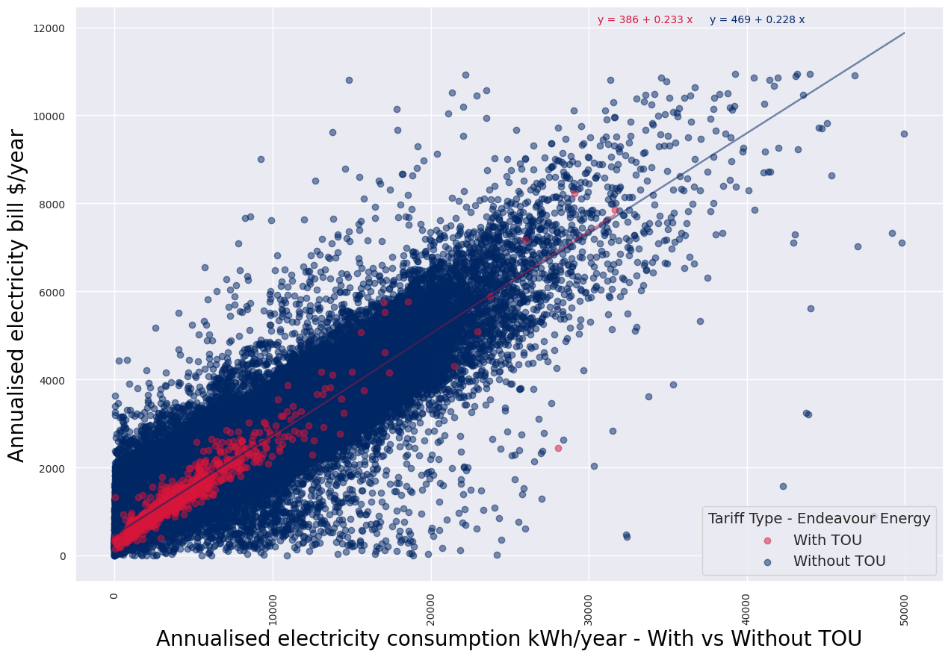
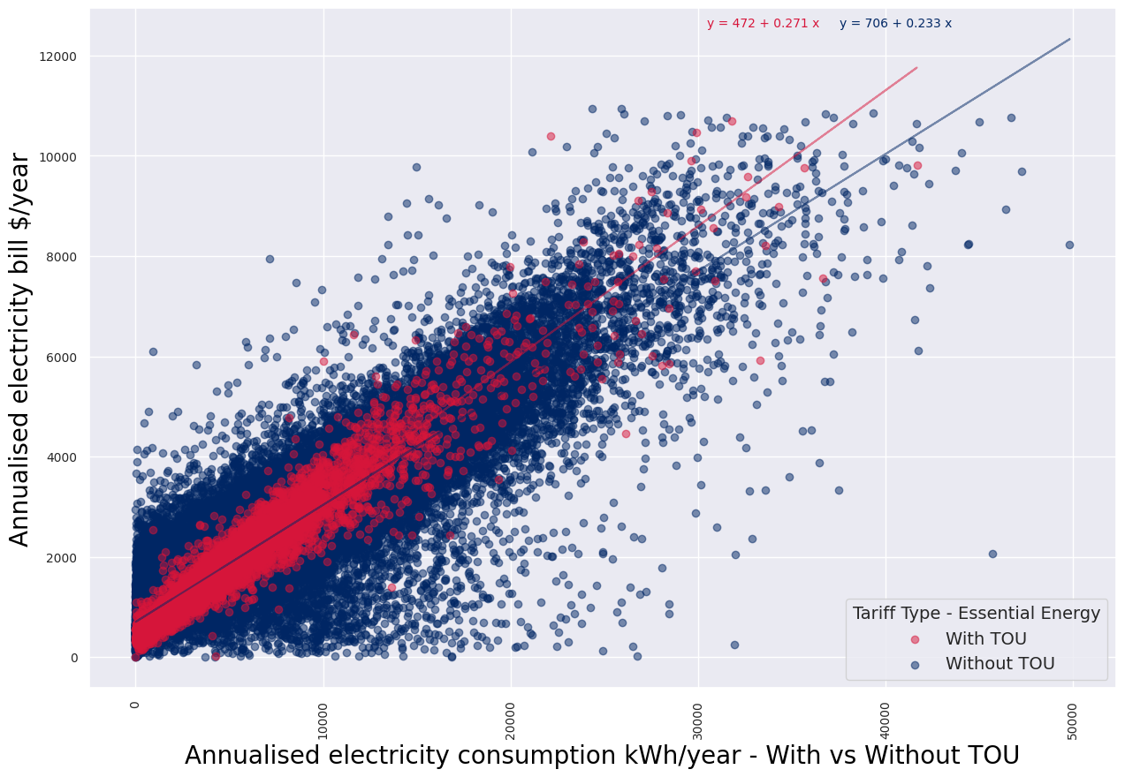

 | Figure 31 Scatter plot showing annual electricity bill and consumption for each electricity customer in the retailer reporting information - With and without TOU for Endeavour Energy |  |  |  |  | Figure 32 Scatter plot showing annual electricity bill and consumption for each electricity customer in the retailer reporting information - With and without TOU for Essential Energy

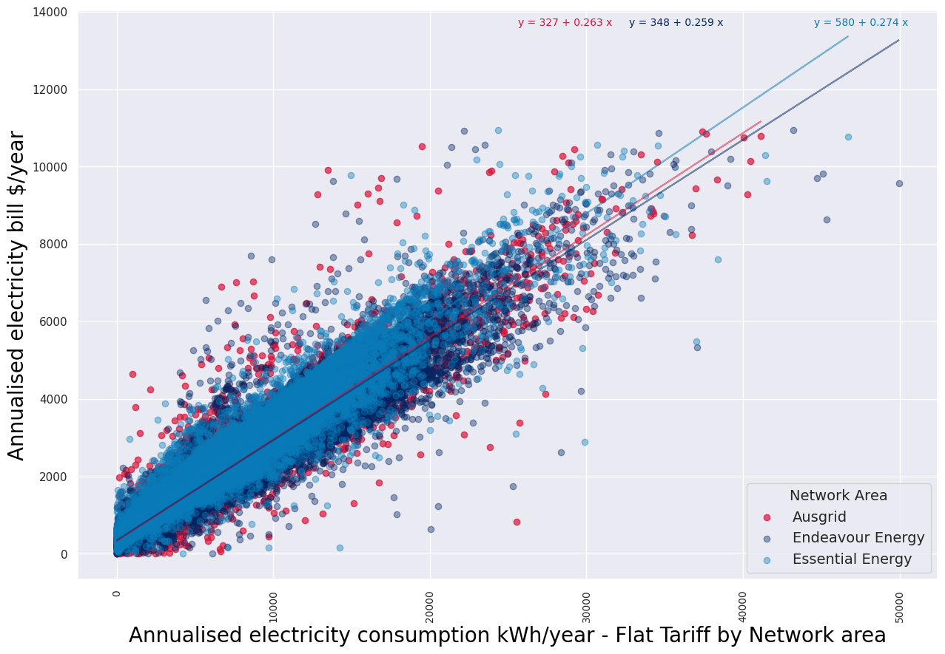

 | Figure 33 Scatter plot showing annual electricity bill and consumption for each electricity customer in the retailer reporting information - Flat Tariff for All Networks

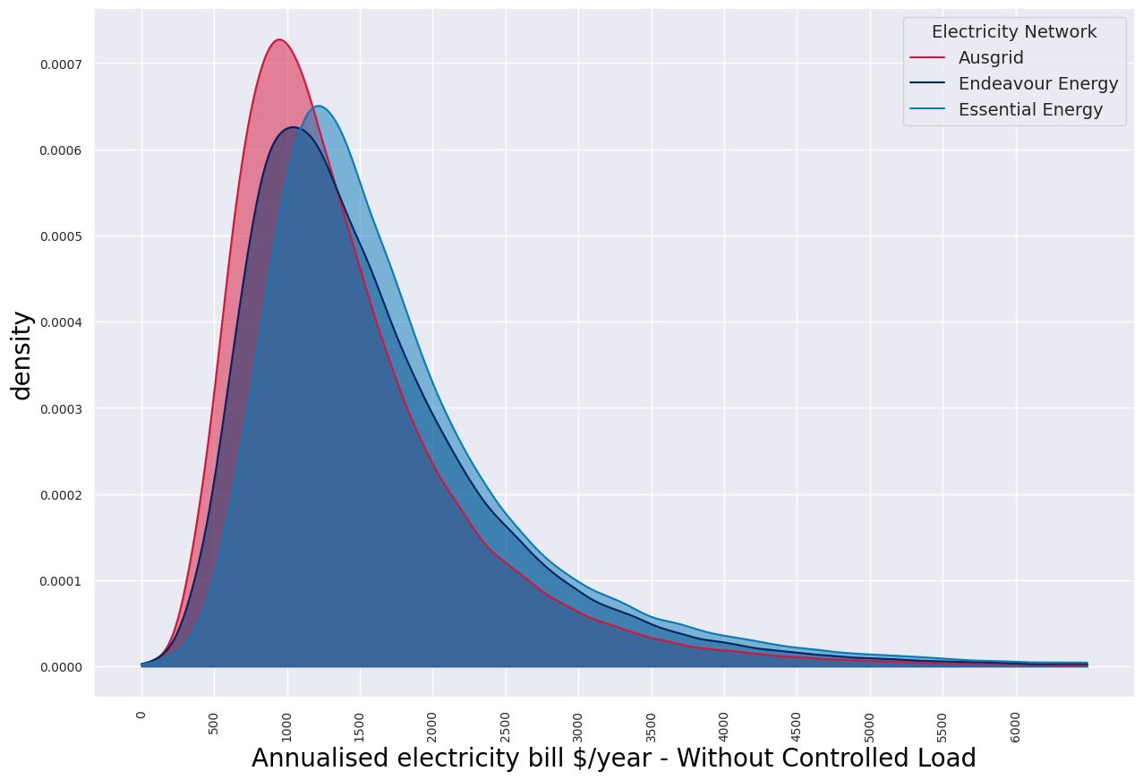
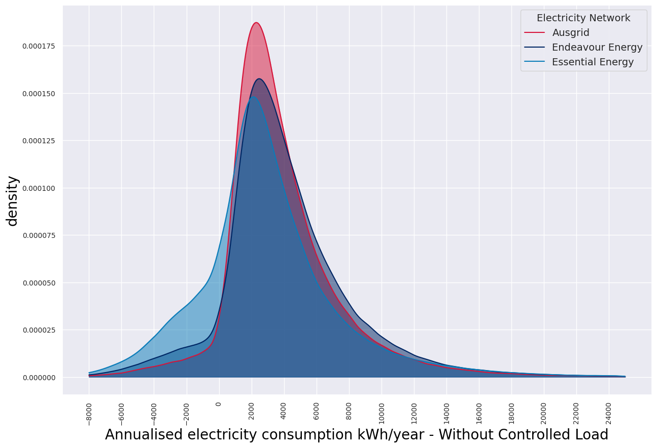

 | Figure 34 Density plot showing annual electricity bill for each electricity customer by Electricity Network in the retailer reporting information - Without Controlled Load |  |  |  |  | Figure 35 Density plot showing annual electricity consumption for each electricity customer by Electricity Network in the retailer reporting information - Without Controlled Load

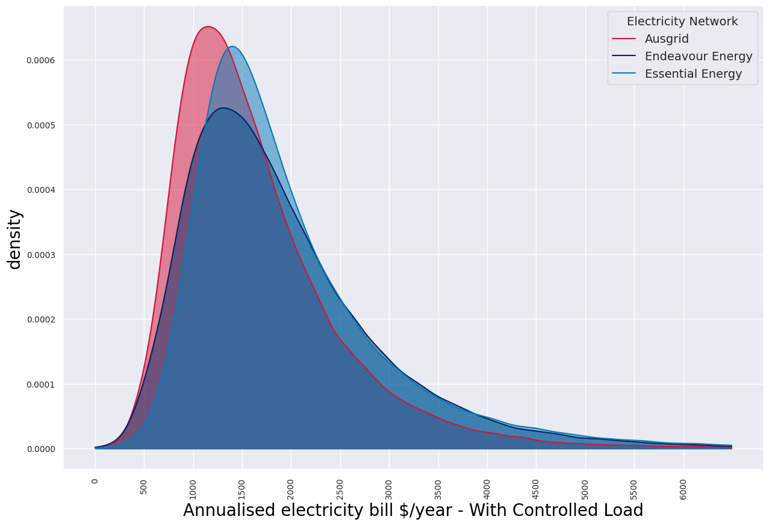
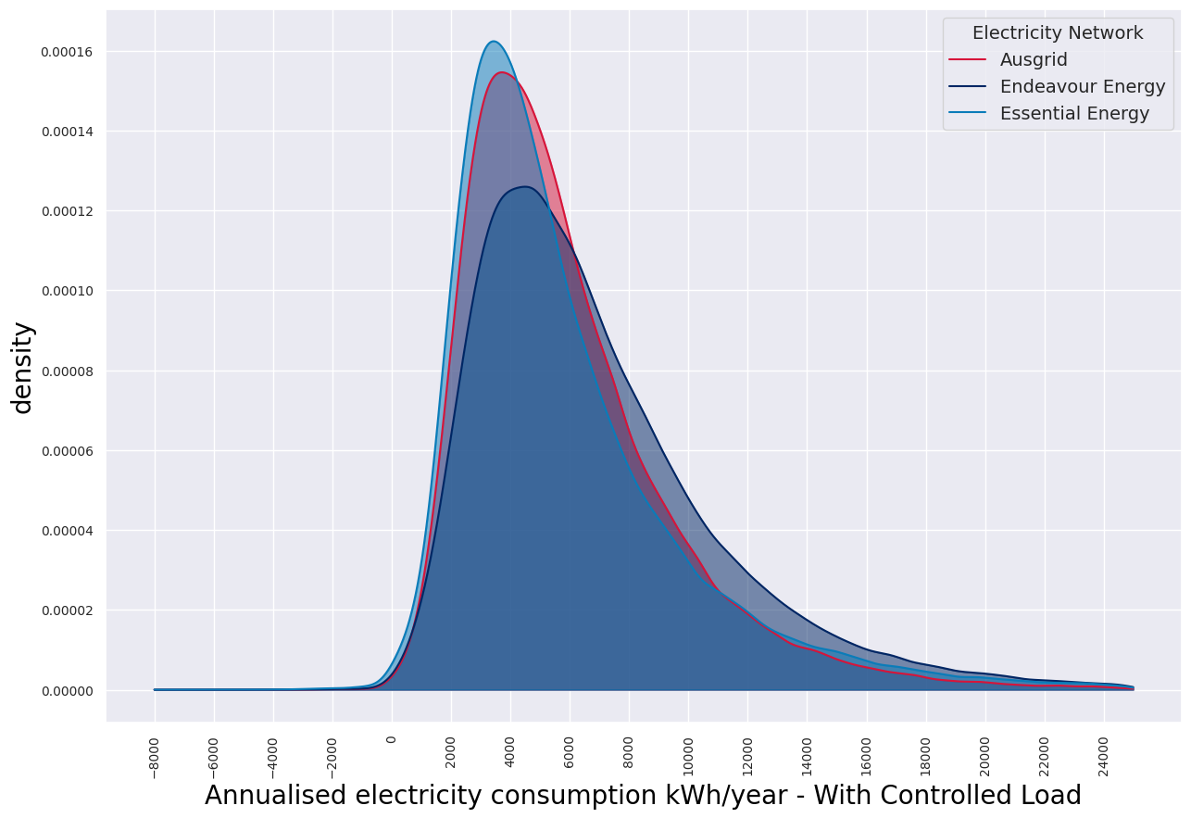

 |  | Figure 36 Density plot showing annual electricity bill for each electricity customer by Electricity Network in the retailer reporting information - With Controlled Load |  |  |  | Figure 37 Density plot showing annual electricity consumption for each electricity customer by Electricity Network in the retailer reporting information - With Controlled Load

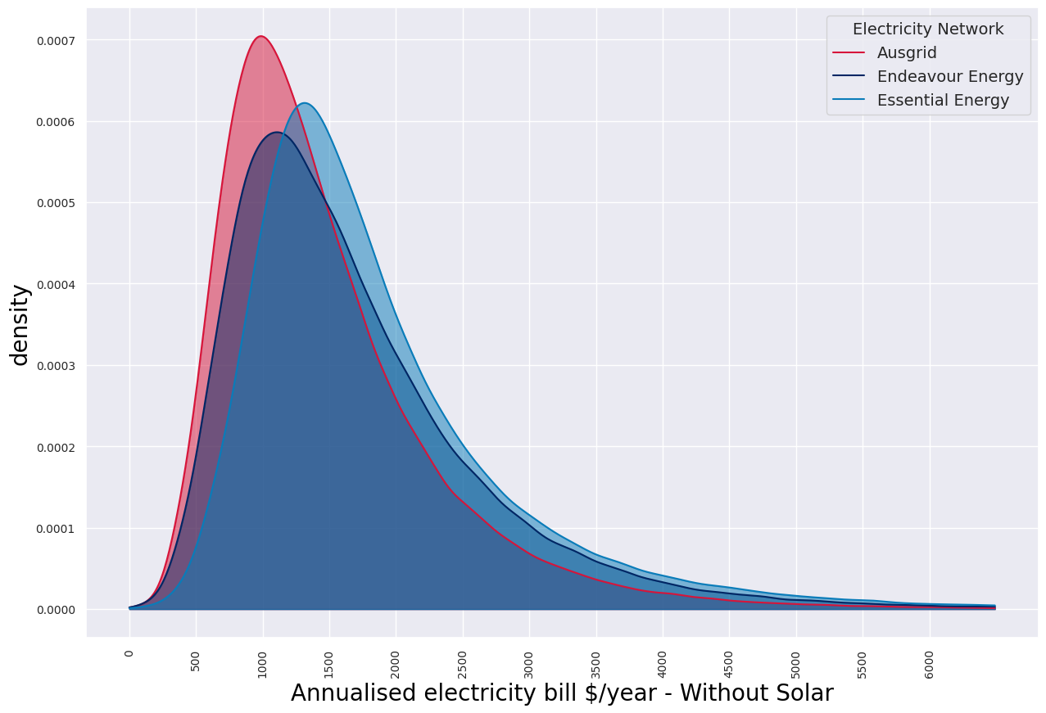
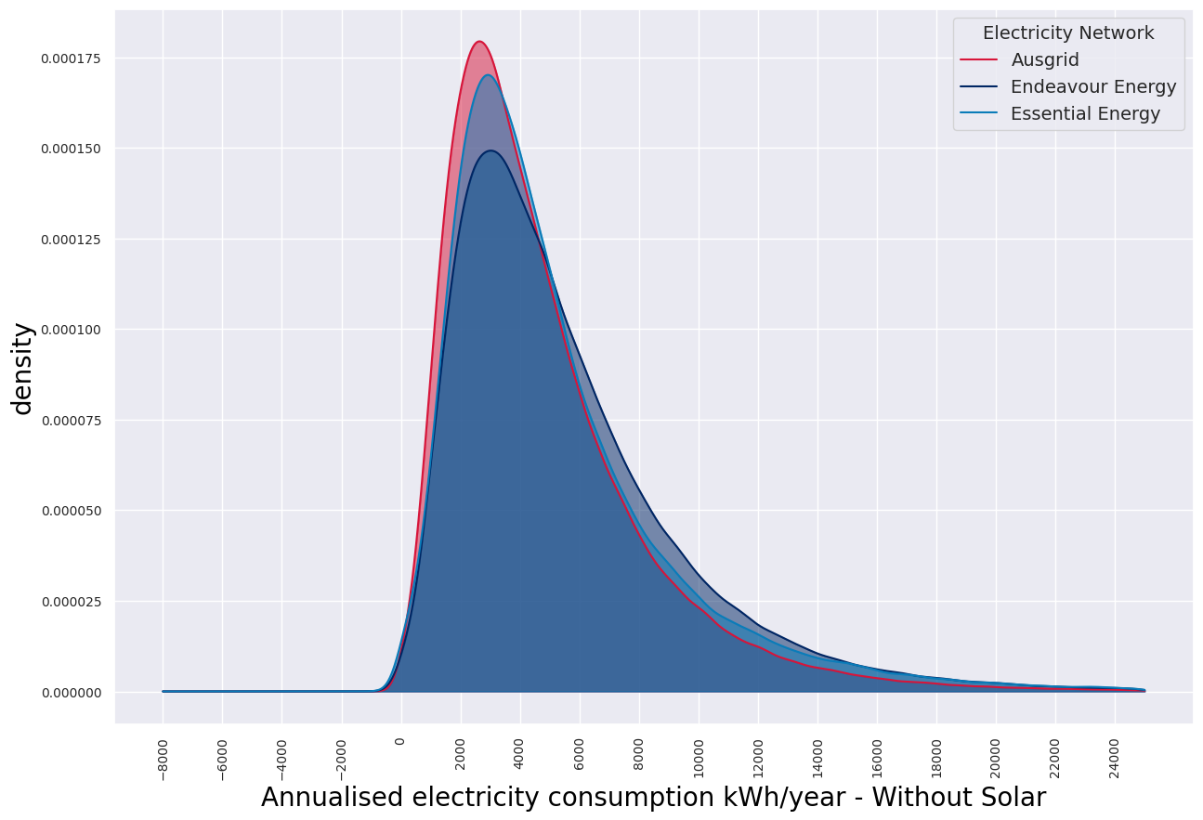

 |  | Figure 38 Density plot showing annual electricity bill for each electricity customer by Electricity Network in the retailer reporting information - Without Solar |  |  |  | Figure 39 Density plot showing annual electricity consumption for each electricity customer by Electricity Network in the retailer reporting information - Without Solar

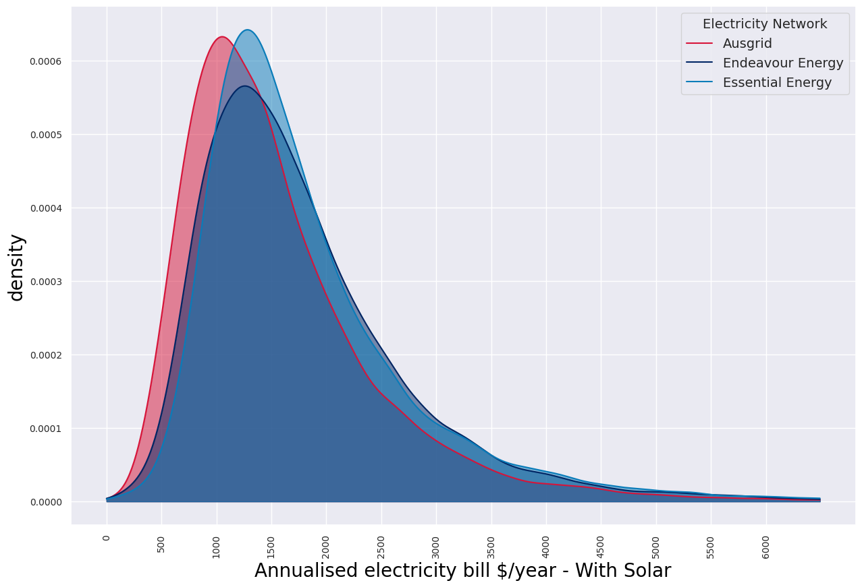

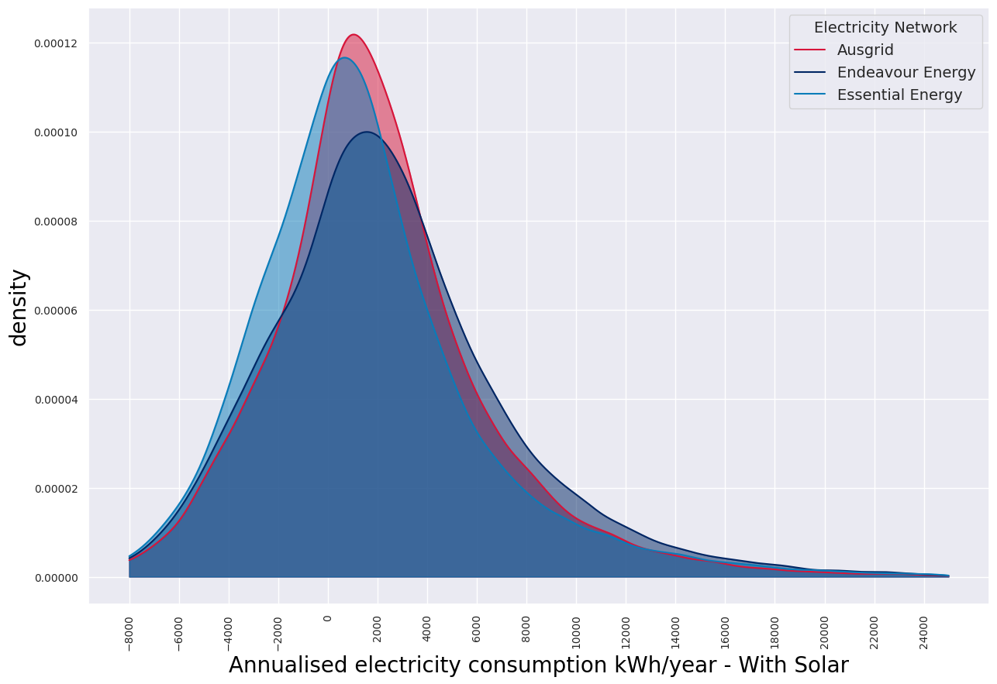

 |  | Figure 40 Density plot showing annual electricity bill for each electricity customer by Electricity Network in the retailer reporting information - With Solar |  |  |  | Figure 41 Density plot showing annual electricity consumption for each electricity customer by Electricity Network in the retailer reporting information - With Solar

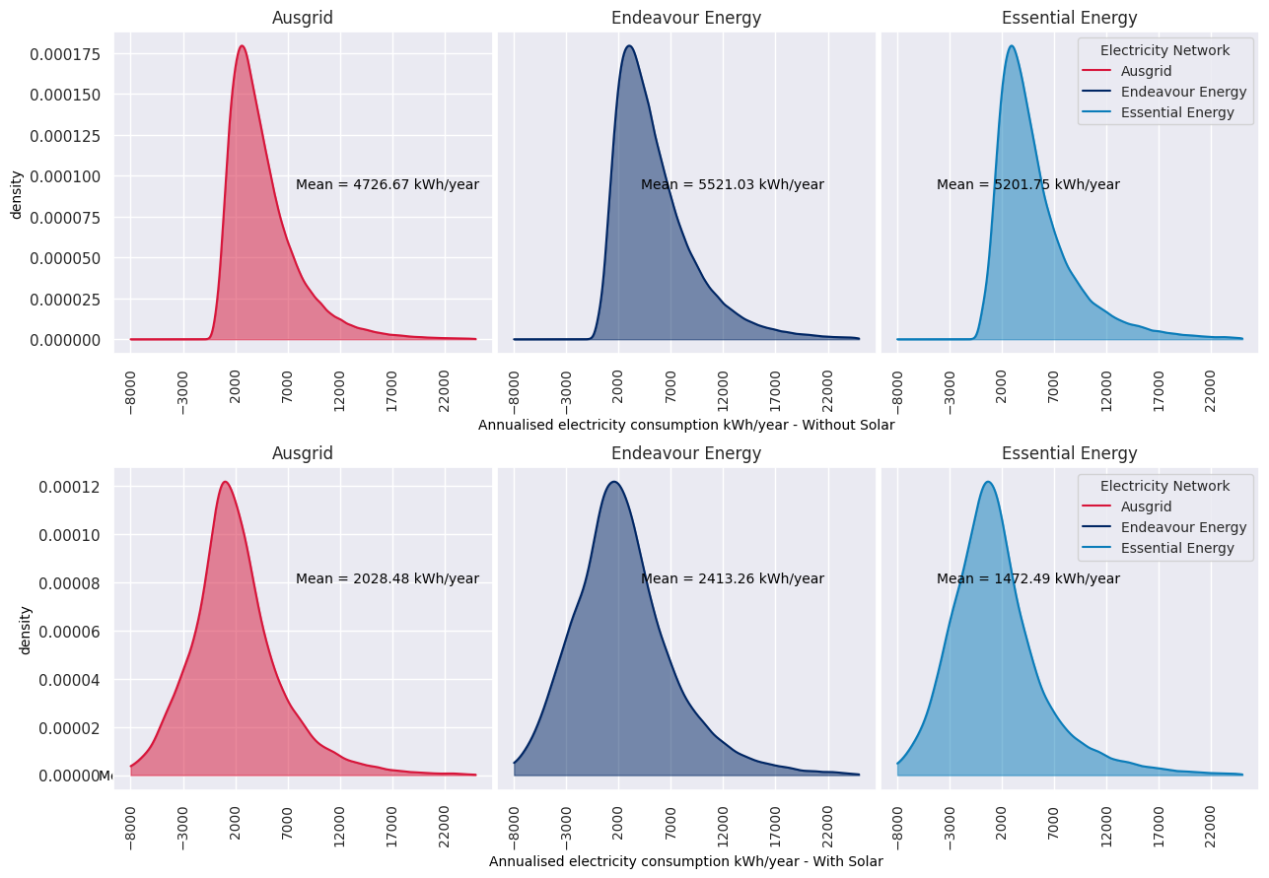
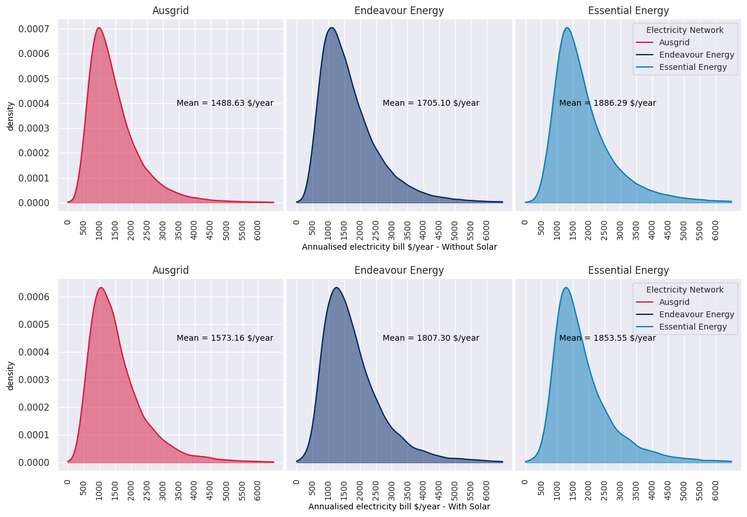

 |  |  |  |  | v

 |  |  | Figure 42 Density plot showing annual electricity bill across different networks - With and Without Solar |  |  | Figure 43 Density plot showing annual electricity consumption across different networks - With and Without Solar

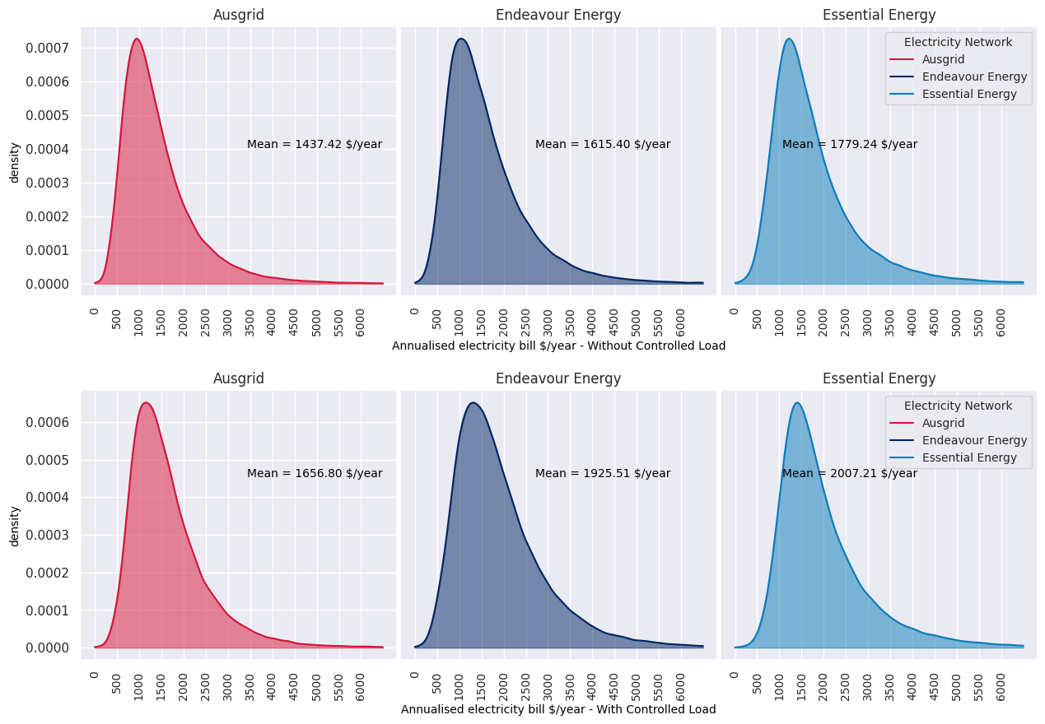
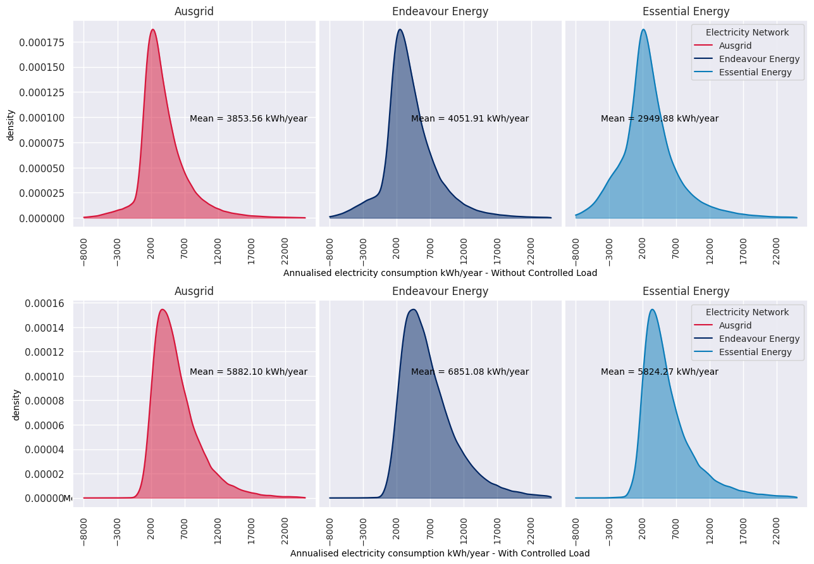

 |  |  |  | Figure 44 Density plot showing annual electricity bill across different networks - With and Without Controlled Load |  |  | Figure 45 Density plot showing annual electricity Consumption across different networks - With and Without Controlled Load

